Sheet1
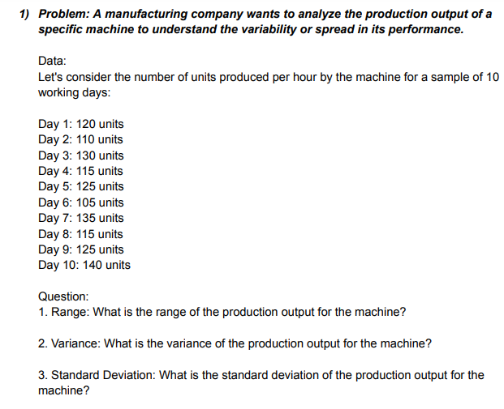
RANGE | ANSWERS
120 | RANGE | 36
110 | VARIANCE | 111
130 | STANDARD DEVIATION | 11.105554166
115
125
105
135
115
125
140
140
104

 | NOTE: The graph doesn't show much variability as the variance achieved is 111 and the data is almost frequent throughout the curve, and we can also conclude that the data is less dispersed as the standard deviation acheived from this data is very less i.e: 11.

